Appendix 4
Appendix 4 Name list vs. Frequency seen
Frequency | 1 | 2 | 3 | 4 | 5 | 6 | 7 | 8 | 9 | 10
Names seen at or above this frequency | 1406 | 685 | 435 | 263 | 150 | 92 | 53 | 25 | 12 | 4
Total for this maximum frequency | 721 | 250 | 172 | 113 | 58 | 39 | 28 | 13 | 8 | 4
Loyd place name matches (156)
Abbetot | Abbetot | Abbeville | Abell | Aigle/Laigle | Ansleville | Argentoune | Barte | Bertrem | Bertyn | Bussy
Abenon | Abbeuile | Abel | Aigle/Laigle | Anneville | Argentoun | Aumale | Beaumont | Busshell | Busshy | Frysoun
Ancourt | Abel | Addetot | Amouerduile | Archere | Aumerle | Baillof | Bereneuile | Cheynes | Cheyni | Tows
Angiens | Abernon | Adoube | Angleville | Arey | Aunou | Barrett | Bertran | Corbyn | Ferrieres | Turuile
Anisy | Aboube | Adryelle | Archer | Argenteyn | Bailleul | Barry | Bigot | Dispencere | Frysel
Appeville le Petit | Adgillam | Aigle/Laigle | Arcy | Arundell | Banestre | Basset | Busseuille | Ferrieres | Hissee
Aquigny | Adreci | Aigneaux | Argenteym | Aubrie | Barret | Beauchaump | Careret | Friuyle | Longvil
Argouge sur Mosles | Adriel | Akeny | Argues | Audeley | Barry | Beaumont | Caumbile | Harecourte | Mortmaine
Arques la Bataille | Aigle/Laigle | Alis | Arundell | Auern | Baskeruile | Beer | Cheine | Hessy | Pygari
Audrieu | Aigneaux | Amonerduile | Aubigny | Aumarle | Basset | Bernieres | Corbine | Lassy | Soueruile
Auffay | Aimeris | Andeuile | Audeley | Aunon | Baudyn | Bertram | Dispencer | Longvale | Tourys
Aumale | Aincourt | Angerville | Auenant | Bailleul | Beauchampe | Beufort | Ferrieres | Montfiquet | Turuile
Auvilliers | Akeny | Appeville | Aumarle | Baloun | Beaufour | Bigot | Fresle | Morteyne
Avranches | Albelin | Archer | Aune | Banestre | Beaumont | Bonuile | Furniueus | Mortimer
Bailleul-Neuville/Bailleur sur Eaulne or Bailleul en Gouffern | Albeny | Arcy | Auuers | Bardolfe | Bee | Bosc-Roard | Fylyol | Munt forde
Ballon | Alencon | Argentan | Auvay | Barre | Bernieres | Breaute | Giffard | Otuel
Bavent | Alevi | Argouges | Avranches | Barry | Bertram | Brecey | Harecourt | Pygart
Beaumais sur Dive | Alis | Armentiers | Baignard | Basqueville | Biars | Brehuse | Heryce | Pynkeny
Beaumont le Roger | Alre | Arques | Bailleul | Basset | Bigot | Bretoun | Lascy | Somneri
Bernières sur Mer | Amay | Arundel | Baloun | Baudyn | Blouet | Busseuile | Lougueville | St Clere
Bois-Arnault | Ambleville | Asperuile | Banastre | Beauchamp | Blundet | Canouville | Lymesey | St Sever
Bolbec | Ambrieres | Aubigny | Bandy | Beaufou | Bohun | Cateray | Malherbe | Tours
Bosc le Hard | Amerenges | Audele | Bardolf | Beaumont | Boneuyle | Chaunberlayn | Mallet | Trascy
Brébeuf | Amfreville | Audrieu | Barduedor | Bec | Bosc-Roard | Cheny | Montfiquet | Turburuile
Briouze | Amondeville | Auenant | Baret | Beleners | Boyse | Claville | Mortain | Vernoun
Broglie previously Chambrais | Andeli | Aufai | Barry | Bellewe | Brabasoun | Columbiers | Mortimere
Brouay | Andre | Aulnay | Basqueuill | Bernevile | Bray | Coluyle | Mountfort
Bully | Ane | Aumarill | Basset | Bertevyley | Breante | Corbine | Musart
Cahagnes | Angenoun | Aune | Bastard | Bertram | Brebus | Dambremare | Otinel
Cailly | Angers | Aungeuyn | Baudewyn | Biards | Brecey | Dispencer | Perche
Cambernon | Angerville | Auuerne | Bauent | Bigot | Bretonn | Etouteville | Pevrel
Candos | Angilliam | Auvilliers | Beauchamp | Blouet | Briqueville | Ferrers | Piquiri
Canteleu or Canteloup | Anisy | Avranches | Beaufou | Blundell | Bullebek | Fitz Rou | Preaux
Canville les Deux Eglises | Anuay | Avvgers | Beaumont | Bohun | Bushy | Fliot | Pynchard
Carteret | Appeville | Bacqueville | Bec | Bollebec | Canouville | Frisound | Pyrot
Cherbourg | Archer | Bailleul | Beke | Bondeville | Carbonnel | Furniuaus | Rosse
Chiffrevast | Arcy | Bainard | Belemis | Bosc Roard | Cateray | Giffard | Sauncey
Clères | Ardre | Balon | Beleuers | Botelere | Caylhy | Grey | Say
Colleville | Argentan | Banastre | Belew | Boys | Chamberlaine | Gurry | Soligny
Colombières | Argouges | Bandy | Belot | Brabaion | Chaunpayne | Harecourt | Somery
Conteville x 2 | Armentieres | Barbayon | Berlin | Bracy | Chauuent | Heriȝ | St Clair
Corbon | Arques | Barbedor | Berners | Braibuf | Chaymes | Lascy | St Jean
Cormeilles | Arras | Barchampe | Bernevale | Bray | Chenil | Laue | St Martin
Courcy | Arundel | Bardolf | Berteuile | Bretevile | Claruaile | L'Isle | St Sauveur
Craon | Ascelin | Baret | Bertram | Breton | Colombieres | Longulers | Tours
Cressy | Asne | Barniuale | Berviere | Brette | Coluile | Luny | Traies
Crèvecoeur | Asnieres | Barreille | Biards | Brun | Corbett | Lymers | Tronsebours
Criel sur Mer | Aspermound | Baskeruyle | Bigot | Bruys | Couille | Malet | Turbeuill
Criquetot sur Longueville | Asperuile | Basset | Bluett | Burci | Courteny | Malherbe | Valence
Cuinchy | Aubernon | Bastard | Blundell | Burdet | Cussy | Mallebranche, de | Vatteville
Cully le Patry | Auberville | Baudewine | Blunt | Burdun | Dalacenoun | Marmion le Veil | Vernoun
Dénestanville | Aubigni | Bavent | Bodyt | Bures | Delaware | Marre | Vesly
Déville | Audel | Baynee | Bohun | Burke | Despensier | Montfichet | Warayne
Dives sur Mer | Audrieu | Beamoor | Bois Herbert | Burnell | Duraunt | Morteine
 | 721
 | 250
 | 172
 | 113
 | 48
 | 39
 | 28
 | 13
 | 8
 | 4
Dol | Auenant | Beauchamp | Bolbec | Buscel | Engayne | Mortimer
Etoutteville sur Mer | Aufay | Beaufon | Bondeuile | Buttencourt | Escriols | Mountagu
Eu | Augers | Beaumais | Bonrett | Cailly | Estuteuille | Mountford
Evreux | Aulnay | Beaupere | Bosc Normand | Camoys | Odo (Eudes) | Musard
Fallencourt | Aumale | Beauuise | Boteler | Camuile | Ferrers | Musce gros
Ferrières/Ferrières Saint Hilaire | Aumon | Bec | Botuile | Carbonnel | Filot | Newmarch
Feugeres | Aungeloun | Bekard | Bouet | Carteret | Fitz Raulfe | Otenel
Fontenay le Marmion | Aunwers | Beke | Brabason | Champaine | Foluile | Perche
Fontenay le Marmion | Auvillers | Belefroun | Bracy | Chaumberlayn | Fournivaus | Pevrel
Gamaches | Avaranches | Belevile | Branche | Chaunpenays | Frisoun | Piqgny
Glanville | Avenele | Belew | Braund | Chawent | Gacy | Preaus
Gournay en Bray | Aveneris | Bellet | Bray | Chawnos | Gail | Pygot
Grainville la Teinturiere | Avre | Berners | Brebuf | Cheniȝ | Giffard | Pykarde
Grandcourt | Aybeuare | Berneuile | Breteuil Brehal | Clarel | Graunson | Rose
Harcourt | Azor | Berteuile | Breton | Colombieres | Gray | S. Marline
Hellean | Bacqueville | Berthram | Bretuyle | Coluile | Gurry | Saussi
Ivry la Bataille | Bacy | Bertine | Breus | Comyn | Haie | Say
La Haye de Puits | Bagott | Beteuile | Breyt | Constable | Harecourt | Sein Saviour
La Pommeraye | Bailif | Beuerye | Brix | Corbet | Hauville | Seynt clere
La Roche Tesson | Bainard | Beuill | Broehus | Courcy | Hericy | Soligny
La Thuit | Baius | Bevery | Bromevile | Courteny | Lacye | Somery
Laigle | Balholf | Biards | Browe | Cressy | Lane | St Jehan
Lanquetot | Balon | Bienfaite | Broylle | Crevecoeur | Linesi | St Leger
Lassy | Banaster | Bigot | Burci | Crispin | Lislay | St Quentin
Le Grand Mesnil | Bande | Bleys | Burdet | Curly | Longuaile | St Valery
Le Quesnay | Banet | Blond | Burdoun | Dabernoune | Loucelles | Tauers
Le Saussey/La Saussaye | Bans | Blounte | Bures | Dakeny | Luse | Tomy
Limésy | Banville | Bluet | Burgh | Damyot | Malebuche | Tracy
Longchamps | Bapaumes | Blundel | Burnel | Daniell | Malet | Troisgots
Longueville le Gifart (now sur Scie) | Barbason | Blunt | Buschell | Darell | Maleuere | Trussebut
Longvilliers | Barbe de ore | Bodyn | Buttecourt | Daubeny | Mare | Turbeuile
Louvetot | Barbes | Bohon | Byset | Dauers | Marmion | Valence
Lucé | Barchampe | Bois | Cailly | Dehense | Marre | Vatteville
Macey | Bardolf | Bolbec | Camnine | Delapole | Mauches | Vernoun
Manneville/Magneville | Bares | Bondeuile | Camoys | Delauere | Monfichet | Vesli
Martinvast | Barneuale | Bonett | Carbonelle | Delaund | Montbray | Wareine
Mayenne | Barray | Bonnebosq | Carteret | Despensier | Moribray | Werdoun
Meules | Barville | Borauntuyle | Challouns | Devaus | Mortagne | Wiuell
Minieres | Bascoun | Bosc | Chamberay | Doiuile | Mortimer
Monchaux/Monchaux(-Soreng) | Baskerville | Boseville | Chambernoune | Doningsels | Mount agu
Mondeville | Basset | Boteler | Champain | Druell | Mountford
Monfiquet | Bastard | Botin | Champney | Duraunt | Mountgomerie
Monpinçon | Baudet | Bottevillain | Chancy | Dyne | Musard
Montbrai | Baudewin | Boulogne | Channdoys | Engayne | Mussegros
Montfort sur Risle | Bavent | Bourneville | Chantilowe | Escalles | Newmarch
Mortimer sur Eaulne | Baybof | Bowser | Charles | Estraunge | Neyuyle
Moyon | Baylife | Boyuile | Chatres | Esturney | Osenel
Mussegros | Baynard | Brabancon | Chaumont | Estutauille | Ouilly
Neubourg | Baynse | Bracy | Chauncy | Eudes de Bayeux | Panel, alias Paignel
Neufmarche | Bayons | Brai | Chaundoys | Ewrus | Peche
Normanville | Bealum | Brande | Chaunduit | Fergent | Pery
Notre Dame de Courson | Beau pre | Brasard | Chawent | Ferrerers | Peverelle
Noyers | Beauchamp | Braunche | Chawnos | Fiȝ felip | Pinkenie
Offranville | Beaufault | Braybuffe | Chene | Fiȝ haw | Pleacy
Orbec | Beaugien | Bret | Chercurte | Fiȝ marmeduk | Power
Orglandes | Beaumais | Breteuil | Clarell | Fiȝ morice | Praux
Pacy sur Eure | Beaumont | Breton | Colleville | Fiȝ thomas | Pygot
Pavilly | Beaupount | Brettville | Colombieres | Fiȝ willam | Pykard
Percy en Auge | Beauvais | Breuil | Columber | Filiot | Ros
Picquigny | Beawper | Briouse | Comines | Fitz Alyne | Roux
Pontchardon | Bec | Brix | Constable | Fitz Payne | Russell
Port en Besin | Beelhelme | Broilem | Corbet | Fitz Rauff | Saint Waleri
...
Appendix 4 Name list vs. Frequency seen
Tilly sur Seulles | Beuery | Careuyle | Delaplanch | Kyriell | Verdoun
Tosny | Beuvriere | Cartenay | Delauere | Lacy | Vernoun
Tournay sur Dive | Bevers | Chaaiones | Delaward | Lande | Vesli
Treilly | Beville | Chamberlaine | Denauille | Lastels | Vylayn
Troisgots | Biard | Champagne | Denyas | Latymer | Waren
Valognes | Bickard | Champeneys | Despenser (Le) | L'Ile | Wase
Varenne | Bidin | Chanceus | Deuyas | Limesy | Wateruile
Vatierville | Bienfaite | Chandos | Deyville | Longeuille | Werables
Vaubadon | Biford | Chantelow | Dine | Longspes | Wyuile
Venoix | Bigot | Chapis | Disard | Lonschampe
 | 721
 | 250
 | 172
 | 113
 | 48
 | 39
 | 28
 | 13
 | 8
 | 4
Ver | Biville | Charles | Disneny | Luscy
Verdun | Blamuille | Chartres | Dodingle | Malebraunche
Vernon | Blangi | Chaudut | Druell | Maleheire
Villiers le Sec | Blaunmonster | Chaumbray | Durant | Malemayne
Wanchy | Bleyn | Chaumont | Engaine | Malet
 | Blond | Chaunboun | Escalles | Maleville
 | Blondell | Chauncy | Espinay | Maloure
 | Blosbeville | Chaundos | Estouteville, d' | Mare
 | Bloundet | Chaunduyt | Estrange | Marmion
 | Bloy | Chaward | Estures | Marre
 | Bluat | Chawnes | Esturney | Mauchene
 | Blundel | Chaworthe | Eu | Maudut
 | Blunt | Cheines | Eudes de Bayeux | Mawreward
 | Bodin | Chereberge | Ewers | Menevile
 | Boels | Cherecourt | Facunberge | Monceux
 | Bohon | Cholmeley | Fauecourt | Monfichet
 | Bois | Cintheux | Fererers | Montaigu
 | Boissel | Cioches | Fergeant of Brittany | Montbray
 | Bolbec | Clarell | Ferte-Mace | Montfort
 | Bolesur | Clereney | Fiȝ henry | Montgommeri
 | Bolleville | Clereuaus | Fiȝ pers | Mooun
 | Bonet | Clerevabc | Fiȝ symon | Moren
 | Bonnebosq | Cleve | Fiȝ wauter | Moribray
 | Bonueier | Clinchamps | Filioll | Mortain
 | Bonvalet | Clyfford | Fitz Aleyn | Mortemer
 | Bonylayne | Coignieres | Fitz Eustach | Morvile
 | Bools | Colleville | Fitz Hugh | Musard
 | Boown | Colombelles | Fitz Marmadux | Muse
 | Boranuille | Columber | Fitz Morice | Mussegros
 | Boroun | Combry | Fitz Paine | Neumarche
 | Bosc | Comine | Fitz Philip | Neville
 | Boseuile | Conderay | Fitz Rauf | Newburke
 | Bosoun | Conestable | Fitz Raynald | Olifard
 | Boteler | Corbet | Fitz Robert | Oliford
 | Botenilam | Corbon | Fitz Roger | Orberk
 | Botin | Corcye | Fitz Thomas | Ouilli
 | Botteuile | Corneilles | Fitz Warin | Oysell
 | Bouesboz | Couci | Fitz William | Pacy
...

Appendix 5
Appendix 5
Names from Brompton’s Chronicle
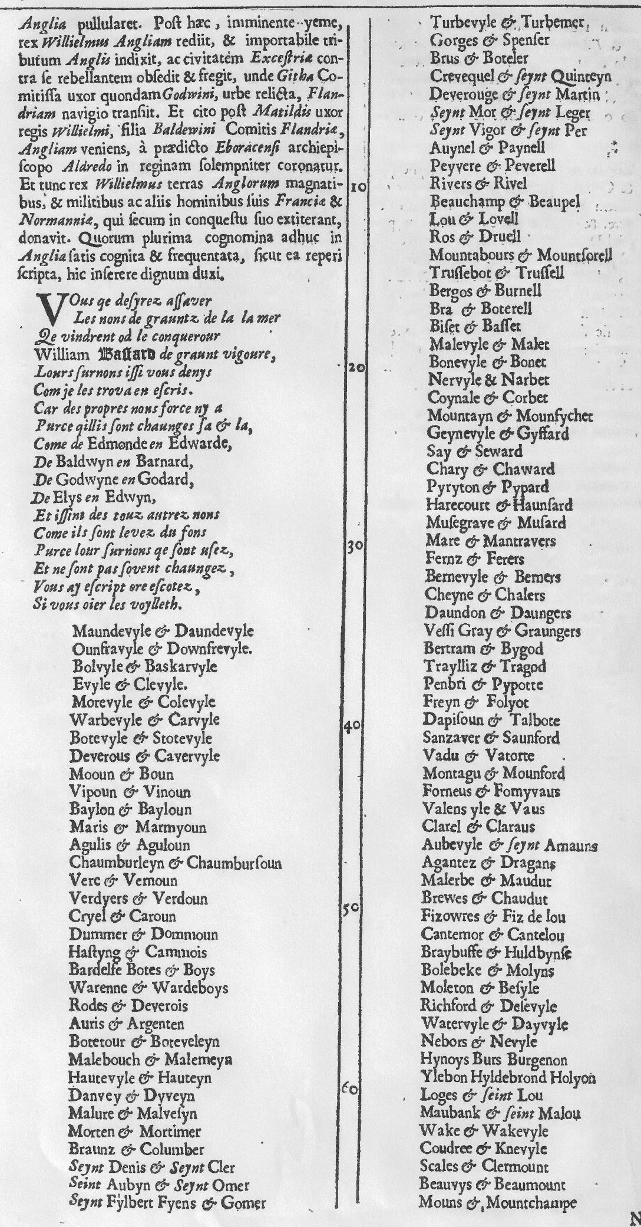
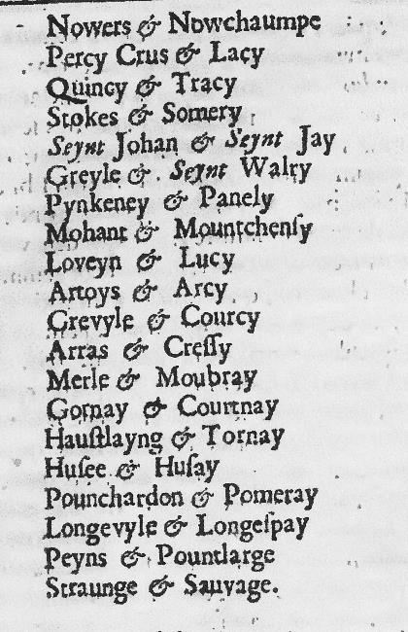
FrFrom

